1. Introduction
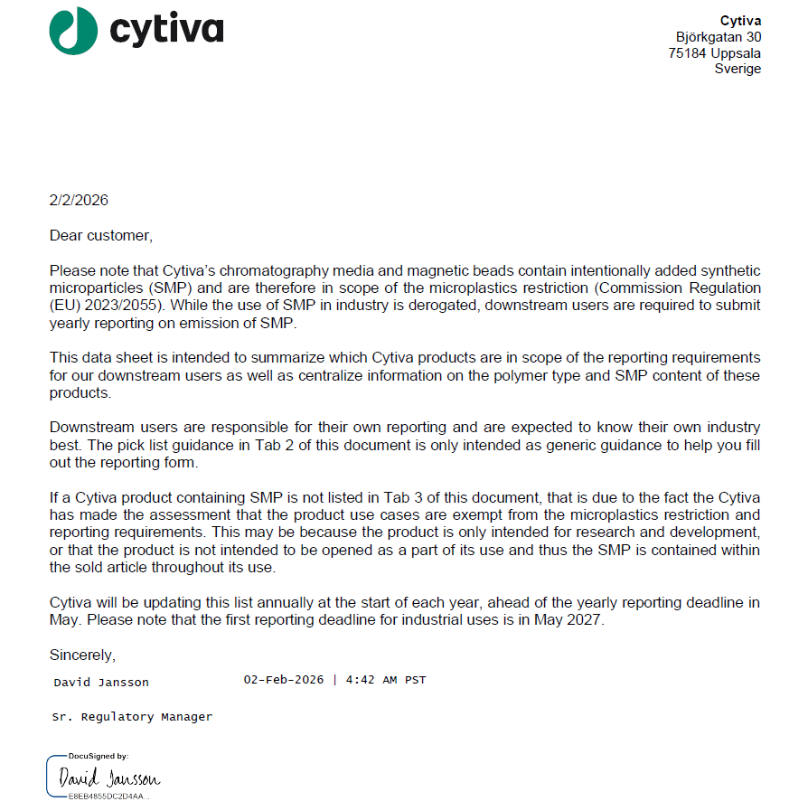

Document Number: 31360356
Revision: AE

